Sheet1
 |  | Document No. | Issue No. | Issue Date |  | Review and Replace Date |  | Authorised By
 |  | GFF308MC | 5 | 11.08.2021 |  | 29.03.2023
 |  | Document Title | SUNFLOWER MINCE BOLOGNESE 400G
 |  | Tray & Film Changed |  |  | Page |  | 1 of 1 | Magda Shah
Document amendments reason for change |  |  |  |  | Previous Issue Date |  | 22.04.2022 | Uncontrolled copy unless signed original

FBSBSP1-R8TMC | MINDFUL CHEF |  | SUNFLOWER MINCE BOLOGNESE WITH SWEET POTATO MASH 400G | FROZEN
STEP 1 |  |  |  |  | STEP 2
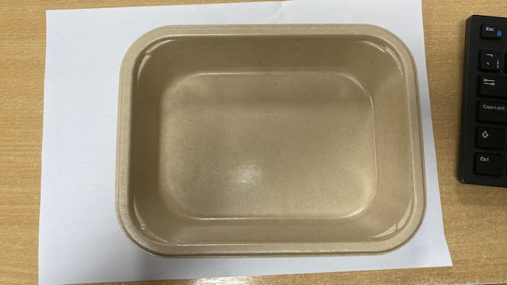 |  |  |  |  | 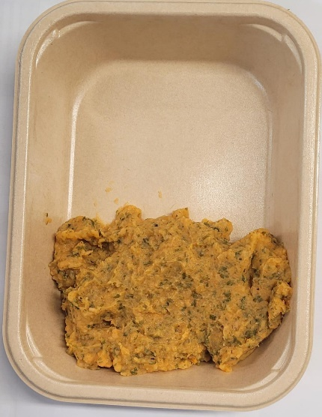

PACK DAY + 1 YEAR
NON-MAP PACK

Tray: Flat Tray-PET Fresh Fibre Food Tray (200 x 155 x 39)-PKHUH001-01 |  |  |  |  | Parsley Sweet Potato Mash (MC) (GFF366R): 160g
Film: K peel 7G+25A/f-275mm-(PKKMP001-03)
STEP 3 |  |  |  |  | STEP 4
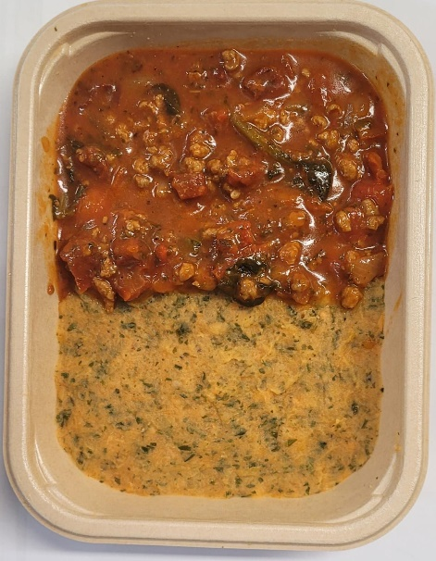 |  |  |  |  | 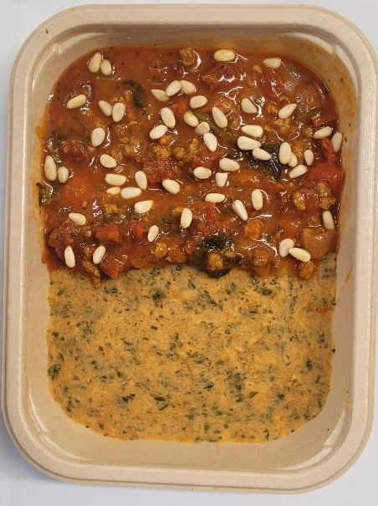

Sunflower Bolognese Sauce (MC) (GFF382R): 235g |  |  |  |  | Pine Nuts (RMQUE001-01) :5g |  |  | TOTAL WEIGHT: 400g

ALLERGY ALERT: none

